ARLN Kit
How to use this tracker. Note: Only update box counts when a box is refilled or emptied. Actual count of swabs will be up to 200 less of each type than on this sheet.
If you are adding/changing a box, such as bringing a box from the basement up, or adding in a new box assembled and filled insert a new row making sure to add the box number (write it on the box if not present), test type, quantity in box, expiration and location (currently only basement or A-row).
Whenever you modify this sheet, make a habit of sorting the data by expiration date so that the swabs expiring soonest are always at the top and easy to find. To do this first select the entire Expiration column (D), then click the Data tab in the toolbar, then the Sort button. A pop up window will appear, click OK. A window labled "Sort" will pop up. Ensure the values match those in the screenshot below, then click OK to sort the data.
Box ID | Test | Qty | Expiration | Location
13 | CRE | 201 | 2022-11-30 | A-Row
15 | CRE | 201 | 2022-11-30 | A-Row
16 | CRE | 0 | 2022-11-30 | B11
11 | CRE | 200 | 2023-02-28 | A-Row
12 | CRE | 200 | 2023-02-28 | A-Row
14 | CRE | 119 | 2023-02-28 | A-Row
23 | CRE | 198 | 2023-02-28 | A-Row
10 | CRE | 200 | 2023-04-30 | Basement
17 | C. Auris | 138 | 2023-05-31 | A-Row
18 | C. Auris | 199 | 2023-05-31 | A-Row
19 | C. Auris | 200 | 2023-05-31 | A-Row
20 | C. Auris | 180 | 2023-05-31 | A-Row
21 | C. Auris | 200 | 2023-05-31 | A-Row
22 | C. Auris | 200 | 2023-05-31 | A-Row
24 | C. Auris | 200 | 2023-06-30 | Basement
25 | C. Auris | 200 | 2023-06-30 | Basement
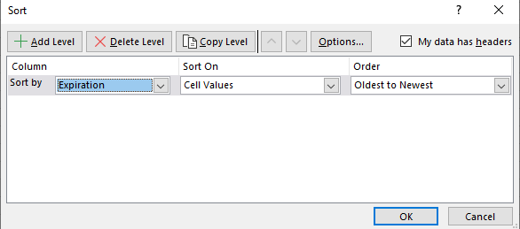
1 | CRE | 200 | 2023-07-31 | Basement
2 | CRE | 230 | 2023-07-31 | Basement
3 | CRE | 148 | 2023-07-31 | Basement
4 | CRE | 200 | 2023-07-31 | Basement
5 | CRE | 200 | 2023-07-31 | Basement
6 | CRE | 200 | 2023-07-31 | Basement
7 | CRE | 176 | 2023-07-31 | Basement
8 | CRE | 200 | 2023-07-31 | Basement
9 | CRE | 160 | 2023-07-31 | Basement
26 | CRE | 70 | 2023-07-31 | B11

